SI10 - sensitivity
Parameter sensitivity and uncertainty results

Descriptions of parameters |  |  | Normalized sensitivity ratios (NSR) and cumulative contribution to variance (CTV) of parameters in straw and digestate scenarios
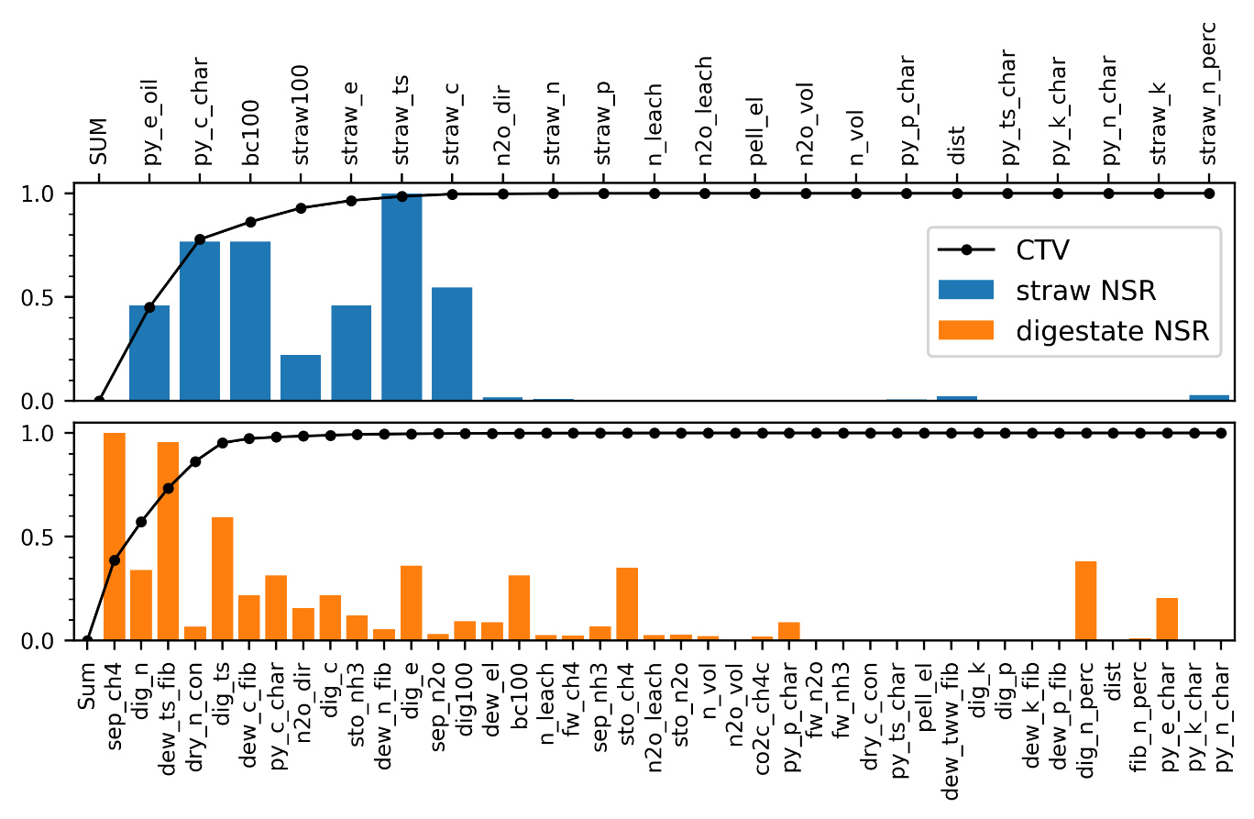
Code | Description
bc/straw/dig100 | Soil carbon permanence of biochar/straw/digestate
co2c_ch4c | CO2-C:CH4-C ratio
straw/dig_x | Content of x in straw/digestate
dew_x_fib | x to fibers in dewatering
dry_x_con | x to condensate in steam drying
py_x_char | x to biochar in pyrolysis
py_e_oil | Energy content to biooil in straw pyrolysis
sto_x | Emissions of x during storage
sep_x | Effect of dewatering on emissions of x
fw_x | Emissions of x from soil application
n_leach | Leaching rate from application of N to soil
n_vol | Volatilization rate from application of N to soil
n2o_dir | Direct N2O emissions from application of N to soil
n2o_leach | Indirect N2O emissions from leached N
n2o_vol | Indirect N2O emissions from volatilized N
dew_el | Electricity consumption in dewatering
pell_el | Electricity consumption in pelleting
dist | Transport distance

Process response to parameter changes. Values show change in net impact GWP100 from 10% increase in parameter value for all parameters with NSR > 0.2

 |  | c-sink | storage emissions | fertilizer | transport | field emissions | electricity | energy product | field work | SUM
straw | straw_ts | -50 |  | 1.6 | 0.9 | -2 |  | -42.2 | 0.1 | -91.5
 | bc100 | -70.2 |  |  |  |  |  |  |  | -70.2
 | py_c_char | -70.2 |  |  |  |  |  |  |  | -70.2
 | straw_c | -50 |  |  |  |  |  |  |  | -50
 | py_e_oil |  |  |  |  |  |  | -42.2 |  | -42.2
 | straw_e |  |  |  |  |  |  | -42.2 |  | -42.2
 | straw100 | 20.1 |  |  |  |  |  |  |  | 20.1
digestate | sep_ch4 | 0.3 | 3.8 |  |  | -0.1 |  |  |  | 4
 | dew_ts_fib | -0.2 | -2.2 |  | 0 | 0 | 0 | -1.4 | 0 | -3.8
 | dig_ts | -0.9 | -1.5 | 0.8 | 0 | 0.7 | 0 | -1.4 | 0 | -2.4
 | dig_e |  |  |  |  |  |  | -1.4 |  | -1.4
 | dig_n_perc |  |  | 0.7 |  | 0.8 |  |  |  | 1.5
 | sto_ch4 | -0.1 | -1.3 |  |  | 0 |  |  |  | -1.4
 | dig_n |  | -0.2 | 0.8 |  | 0.8 |  |  |  | 1.4
 | bc100 | -1.3 |  |  |  |  |  |  |  | -1.3
 | py_c_char | -1.3 |  |  |  |  |  |  |  | -1.3
 | dew_c_fib | -0.8 |  |  |  | -0.1 |  |  |  | -0.9
 | dig_c | -0.8 |  |  |  | -0.1 |  |  |  | -0.9
 | py_e_char |  |  |  |  |  |  | 0.8 |  | 0.8

